Bug Report
Defect Report |  | Defect Report |  | Defect Report |  | Defect Report

Bug ID | Bug_001 | Bug ID | Bug_001 | Bug ID | Bug_003 | Bug ID
Title | System displayed a success message " Success: You have added HP LP3065 to your shopping cart!" even though the quantity field is empty | Title | System displayed a success message " Success: You have added HP LP3065 to your shopping cart!" even though the quantity is negative | Title | System displayed a success message " Success: You have added HP LP3065 to your shopping cart!" even though the quantity is 0 | Title
Steps to Reproduce | 1- open the home page 2- click on any product 3- Leave the quantity field empty 4- click add to cart | Steps to Reproduce | 1- open the home page 2- click on any product 3- Enter a negative quantity 4- click add to cart | Steps to Reproduce | 1- open the home page 2- click on any product 3- Enter 0 in the quantity field 4- click add to cart | Steps to Reproduce
Expected Result | System should default the quantity to 1 or prompt the user to add quantity | Expected Result | System should show an error message | Expected Result | System should default the quantity to 1 or prompt the user to add quantity | Expected Result
Actual Result | System displayed a success message " Success: You have added HP LP3065 to your shopping cart!" | Actual Result | System displayed a success message " Success: You have added HP LP3065 to your shopping cart!" | Actual Result | System displayed a success message " Success: You have added HP LP3065 to your shopping cart!" | Actual Result
Environment | Version 151.0.7922.71 (Official Build) (64-bit) | Environment | Version 151.0.7922.71 (Official Build) (64-bit) | Environment | Version 151.0.7922.71 (Official Build) (64-bit) | Environment
Screenshot / Video | 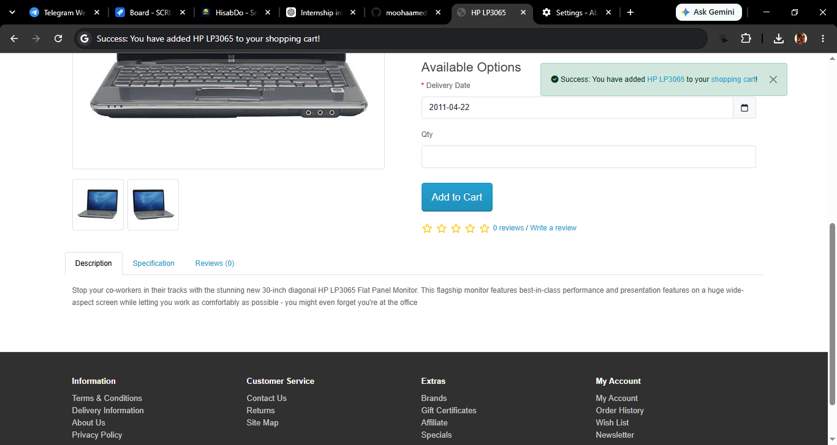 | Screenshot / Video | 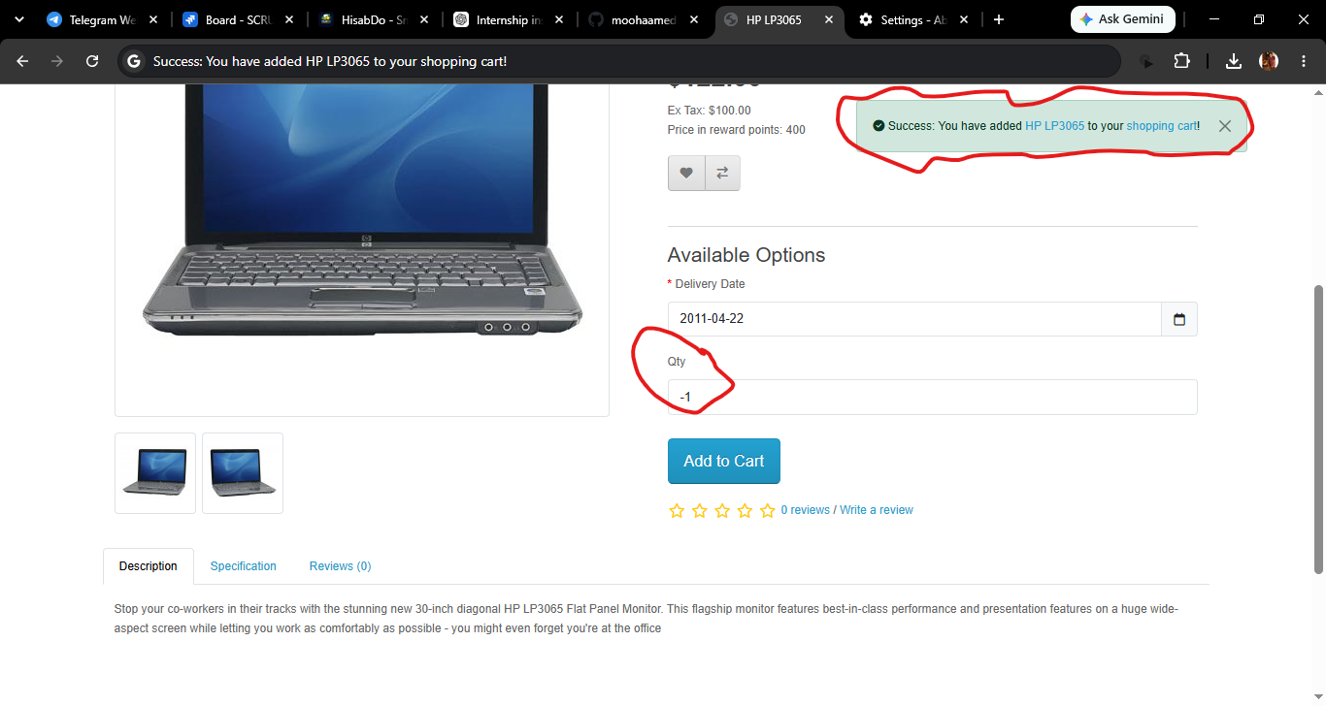 | Screenshot / Video | 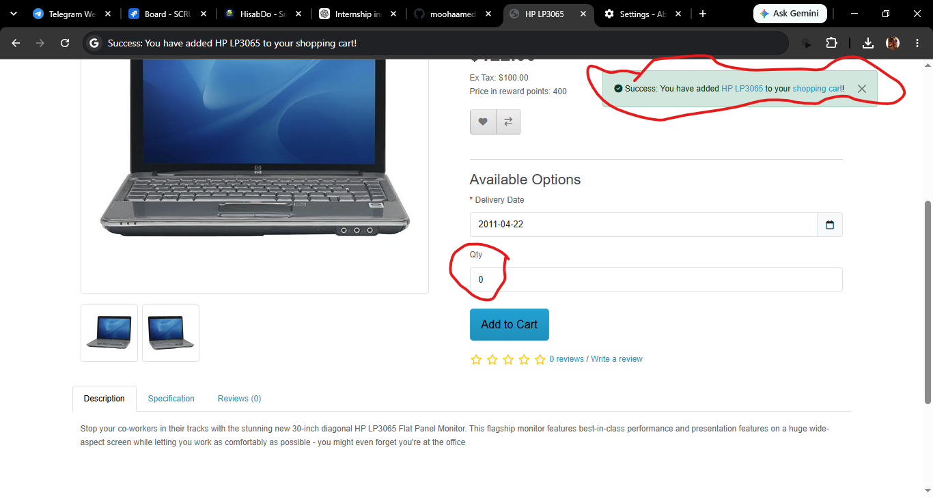 | Screenshot / Video
Severity | Medium | Severity | Medium | Severity | Medium | Severity
Priority | Medium | Priority | Medium | Priority | Medium | Priority
Status | open | Status | open | Status | open
© Copy rights for QAcart 2022

